Instructions
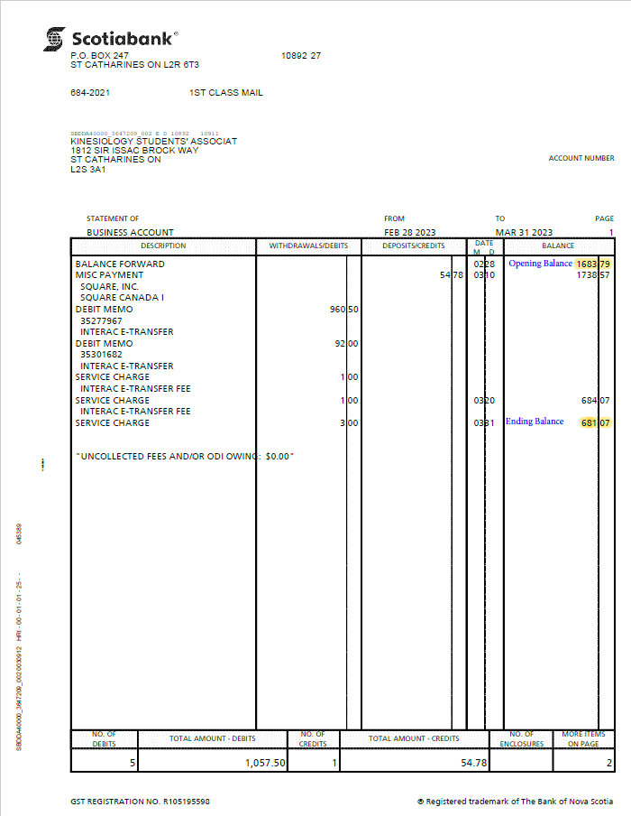
Deposit Tab
Step 1 | Enter Club name in Cell B2
Step 2 | Enter month in Cell D3
Step 3 | Enter year in Cell D5
Step 4 | Enter last month ending balance in Cell E3.
Step 5 | Add deposit transactions (money coming in bank account) in the deposit section. Provide date, amount and descriptions. If you have receipt, select "Yes". If not, select "No" and provide explanation in comment. Ensure all receipts are saved in your respective club folder for the month.
Step 6 | If you are able to reconcile with bank statement (if you see the transaction in bank statement), select yes in reconciled. Otherwise, select no.
Step 7 | Click the reconciled table (Cell M6), then use your keyboard to hit alt+F5

Withdrawal Tab
Step 8 | Add withdrawal transactions( anything that is paid out of bank) in the withdrawal section. Provide date, amount and descriptions. If you have receipt, select "Yes". If not, select "No" and provide explanation in comment. Ensure all receipts are saved in your respective club folder for the month.
Step 9 | If you are able to reconcile with bank statement (if you see the transaction in bank statement), select yes in reconciled. Otherwise, select no.
Step 10 | Click the reconciled table (Cell M1), then use your keyboard to hit alt+F5

Bank Reconciliation Tab
Step 11 | Enter Bank Statement Ending Balance in Cell B8
Step 12 | Ensure Variance is 0. If the variance is not 0, please check if all the transactions have been added and the steps were followed

